Beginner
WEST MIDLANDS NOVICE COMPETITION
18th and 19th May 2019

 | NAME | CLUB | VAULT | POSn | BARS | POSn | BEAM | POSn | FLOOR | POSn | TOTAL | POSn

 | 8-9 Years old Beginner Level

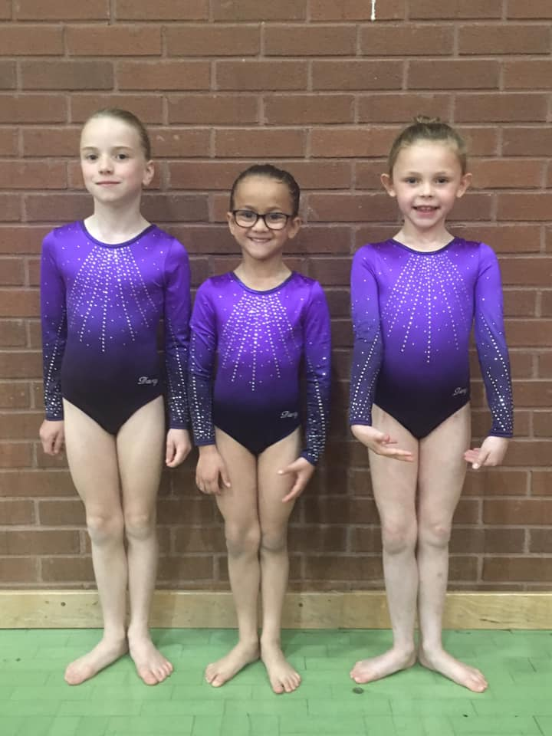
32 | Emily Smith | Hereford Sparks | 10.500 | 1 | 11.150 | 1 | 11.700 | 1 | 11.700 | 2 | 34.550 | 1
40 | Ellie Powell | City Of Worcester | 10.300 | 3 | 11.000 | 3 | 11.550 | 2 | 11.550 | 3 | 34.100 | 2
47 | Isabelle Spencer | City Of Worcester | 10.200 | 5 | 10.950 | 4 | 10.800 | 5 | 11.550 | 3 | 33.300 | 3
53 | Carmen Powell | Worcestershire | 8.850 | 27 | 10.950 | 4 | 11.000 | 4 | 10.550 | 16 | 32.500 | 4
52 | Maya Evans | Rugby | 10.100 | 9 | 11.100 | 2 | 10.550 | 7 | 10.800 | 14 | 32.450 | 5
36 | Chloe Rose Barker | Back 2 Back | 10.100 | 9 | 10.700 | 9 | 8.200 | 25 | 11.200 | 7 | 32.000 | 6
48 | Alicia Cornforth | Wyre Forest | 10.000 | 11 | 10.200 | 12 | 10.300 | 9 | 11.450 | 5 | 31.950 | 7
57 | Caitlin Compton | Rebound | 10.000 | 11 | 10.900 | 7 | 9.300 | 14 | 11.000 | 12 | 31.900 | 8
30 | Molly Mckeown | Hereford Sparks | 10.350 | 2 | 8.900 | 20 | 9.800 | 12 | 11.750 | 1 | 31.900 | 8
39 | Chloe Wood | City Of Worcester | 9.900 | 17 | 10.800 | 8 | 9.900 | 11 | 11.200 | 7 | 31.900 | 8
33 | Faye Cashmore | Back 2 Back | 10.250 | 4 | 9.700 | 16 | 10.500 | 8 | 10.750 | 15 | 31.500 | 11
37 | Darcy Viggars | Back 2 Back | 9.950 | 13 | 10.550 | 10 | 9.100 | 17 | 10.900 | 13 | 31.400 | 12
49 | Caitlyn Carter | Wyre Forest | 10.200 | 5 | 10.050 | 14 | 9.000 | 18 | 11.100 | 10 | 31.350 | 13
34 | Eleanor Dale | Back 2 Back | 9.550 | 22 | 10.150 | 13 | 11.200 | 3 | 8.400 | 25 | 30.900 | 14
56 | Rubie-Mae Bolton | Rebound | 9.800 | 18 | 10.500 | 11 | 8.550 | 22 | 10.550 | 16 | 30.850 | 15
44 | Ava Barnes | City Of Worcester | 9.950 | 13 | 9.450 | 19 | 9.700 | 13 | 11.100 | 10 | 30.750 | 16
35 | Felicity Sharman | Back 2 Back | 9.950 | 13 | 10.950 | 4 | 8.400 | 24 | 9.800 | 21 | 30.700 | 17
31 | Enya Hughes-Fernandez | Hereford Sparks | 9.700 | 19 | 0.000 | 25 | 10.700 | 6 | 10.050 | 18 | 30.450 | 18
58 | Annie Osadciw-Brown | Rebound | 9.300 | 25 | 9.500 | 18 | 9.300 | 14 | 11.150 | 9 | 29.950 | 19
51 | Nancy Thomas | Wyre Forest | 9.550 | 22 | 9.700 | 16 | 8.500 | 23 | 9.850 | 20 | 29.100 | 20
45 | Lauren Drinkwater | City Of Worcester | 10.200 | 5 | 8.450 | 23 | 8.700 | 21 | 10.000 | 19 | 28.900 | 21
43 | Alexa Collins | City Of Worcester | 9.650 | 20 | 7.450 | 24 | 10.100 | 10 | 8.750 | 24 | 28.500 | 22
41 | Elsie-Mae Jackson | City Of Worcester | 8.950 | 26 | 9.950 | 15 | 8.950 | 19 | 9.300 | 22 | 28.200 | 23
42 | Harriet Pearson | City Of Worcester | 9.650 | 20 | 8.900 | 20 | 8.950 | 19 | 9.000 | 23 | 27.600 | 24
50 | Anastacia Sheffield | Wyre Forest | 9.450 | 24 | 0.000 | 25 | 9.300 | 14 | 7.500 | 26 | 26.250 | 25
46 | Chloe Rush | Idsall | 10.150 | 8 | 0.000 | 25 | 3.200 | 27 | 11.300 | 6 | 24.650 | 26
54 | Freya Hadley | Park Wrekin | 9.950 | 13 | 8.900 | 20 | 5.500 | 26 | 5.600 | 27 | 24.450 | 27

 | 10 to 12 Years old Beginner Level

30 | Thea Ibidun | Worcestershire | 10.100 | 2 | 9.350 | 14 | 11.450 | 8 | 11.850 | 1 | 33.400 | 1
81 | Kaitlyn Tiffany | Worcestershire | 9.730 | 16 | 10.700 | 1 | 11.500 | 6 | 11.100 | 26 | 33.300 | 2
13 | Charlotte Williams | Hereford Sparks | 9.700 | 17 | 9.650 | 10 | 11.650 | 3 | 11.800 | 5 | 33.150 | 3
165 | Bella powell | Hereford Sparks | 9.970 | 9 | 8.800 | 29 | 11.700 | 1 | 11.450 | 9 | 33.120 | 4
32 | Poppy Fownes | Worcestershire | 9.700 | 17 | 7.900 | 45 | 11.500 | 6 | 11.600 | 6 | 32.800 | 5
5 | Skye-Amelia Czuczman | Birches Valley | 9.870 | 12 | 8.300 | 39 | 10.900 | 24 | 11.850 | 1 | 32.620 | 6
23 | Ava Forster-Green | Rebound | 9.700 | 17 | 9.700 | 9 | 11.300 | 14 | 11.550 | 7 | 32.550 | 7
28 | Sophia Bhardwaj | Worcestershire | 9.830 | 14 | 10.300 | 3 | 10.950 | 23 | 11.200 | 20 | 32.450 | 8
1 | Emily Nelson | Birches Valley | 10.000 | 7 | 9.450 | 13 | 11.050 | 21 | 11.350 | 14 | 32.400 | 9
4 | Emily Hewitt | Birches Valley | 10.100 | 2 | 10.400 | 2 | 11.150 | 17 | 10.850 | 35 | 32.400 | 9
29 | Emily Mathews | Worcestershire | 9.330 | 40 | 9.250 | 17 | 11.600 | 5 | 11.450 | 9 | 32.380 | 11
82 | Teagan Guilfoyle | Worcestershire | 10.030 | 6 | 9.550 | 11 | 11.450 | 8 | 10.850 | 35 | 32.330 | 12
92 | Annabel Adams | City of Worcester | 9.570 | 26 | 8.800 | 29 | 11.450 | 8 | 11.250 | 19 | 32.270 | 13
26 | Amber Adams | Worcestershire | 10.100 | 2 | 9.350 | 14 | 11.450 | 8 | 10.650 | 42 | 32.200 | 14
2 | Georgia Tranter | Birches Valley | 9.530 | 28 | 9.250 | 17 | 11.100 | 18 | 11.450 | 9 | 32.080 | 15
22 | Poppy Malin | Rebound | 10.270 | 1 | 8.950 | 24 | 10.650 | 30 | 11.150 | 22 | 32.070 | 16
33 | Madeleine Bailey | Worcestershire | 9.200 | 49 | 8.300 | 39 | 11.050 | 21 | 11.450 | 9 | 31.700 | 17
27 | Maisie Rosewell | Worcestershire | 9.900 | 10 | 9.250 | 17 | 10.800 | 26 | 10.950 | 29 | 31.650 | 18
19 | Bridie Hendon | Idsall | 10.100 | 2 | 7.750 | 49 | 9.650 | 42 | 11.850 | 1 | 31.600 | 19
86 | Sienna Tribe | City of Worcester | 9.300 | 43 | 7.550 | 52 | 11.650 | 3 | 10.650 | 42 | 31.600 | 19
84 | Holly Carr | City of Worcester | 9.400 | 34 | 10.150 | 5 | 11.100 | 18 | 10.300 | 52 | 31.550 | 21
14 | Sophie Smith | Hereford Sparks | 9.500 | 29 | 9.950 | 7 | 10.400 | 34 | 11.150 | 21 | 31.500 | 22
21 | Zoe Bragg | Rebound | 9.630 | 19 | 9.750 | 8 | 10.750 | 27 | 10.750 | 39 | 31.250 | 23
20 | Rebekah - Mae Wainwright | Idsall | 9.300 | 42 | 7.400 | 53 | 10.550 | 30 | 11.300 | 16 | 31.150 | 24
95 | Ailsa Preedy | City of Worcester | 9.300 | 42 | 7.950 | 43 | 11.450 | 8 | 10.400 | 48 | 31.150 | 25
93 | Eva Wright | City of Worcester | 9.100 | 50 | 8.350 | 36 | 11.350 | 12 | 10.700 | 40 | 31.150 | 25
91 | Lily Marshall | City of Worcester | 8.930 | 52 | 7.350 | 54 | 11.200 | 15 | 10.950 | 28 | 31.080 | 27
8 | Amy Clarke | Birches Valley | 9.600 | 21 | 9.250 | 16 | 10.300 | 35 | 11.150 | 21 | 31.050 | 28
94 | Charlotte Hill | City of Worcester | 9.600 | 21 | 7.900 | 44 | 10.800 | 25 | 10.600 | 44 | 31.000 | 29
101 | Alice Myres | City of Worcester | 9.900 | 9 | 6.600 | 57 | 10.900 | 23 | 10.200 | 53 | 31.000 | 29
10 | Erin Harries | Hereford Sparks | 9.500 | 29 | 10.100 | 6 | 7.550 | 59 | 11.300 | 16 | 30.900 | 31
18 | Millie Thorne-Guy | Idsall | 9.800 | 14 | 7.900 | 44 | 10.100 | 37 | 10.950 | 28 | 30.850 | 32
97 | Evelyn Cardoso | City of Worcester | 8.930 | 52 | 8.850 | 26 | 11.250 | 14 | 10.650 | 41 | 30.830 | 33
3 | Olivia Jordan | Birches Valley | 8.000 | 59 | 8.500 | 33 | 10.700 | 29 | 11.550 | 7 | 30.750 | 34
100 | Skye Simmonds | City of Worcester | 9.330 | 40 | 9.250 | 17 | 11.700 | 1 | 9.650 | 58 | 30.680 | 35
9 | Katie Bradshaw | Hereford Sparks | 9.230 | 48 | 7.500 | 53 | 9.950 | 41 | 11.450 | 9 | 30.630 | 36
31 | Amy Lees | Worcestershire | 8.600 | 57 | 8.400 | 34 | 10.500 | 32 | 11.350 | 14 | 30.450 | 37
36 | Asheigh Elliott | Wolverhampton | 10.000 | 7 | 0.000 | 59 | 8.600 | 53 | 11.850 | 1 | 30.450 | 37
98 | Madeleine Wood | City of Worcester | 9.600 | 22 | 8.900 | 26 | 10.500 | 32 | 10.350 | 50 | 30.450 | 37
12 | Lily Cox | Hereford Sparks | 9.630 | 20 | 9.050 | 22 | 9.450 | 46 | 11.150 | 22 | 30.230 | 40
11 | Maisie Wood | Hereford Sparks | 9.870 | 12 | 8.400 | 34 | 9.450 | 46 | 10.900 | 33 | 30.220 | 41
90 | Lexi Dobson | City of Worcester | 9.370 | 39 | 8.950 | 24 | 10.500 | 32 | 10.300 | 52 | 30.170 | 42
6 | Molly Calder | Birches Valley | 9.500 | 30 | 7.750 | 49 | 9.600 | 44 | 11.050 | 27 | 30.150 | 43
7 | Imogen Orton | Birches Valley | 9.570 | 26 | 7.700 | 51 | 9.650 | 42 | 10.850 | 35 | 30.070 | 44
77 | Evelyn Lovatt-Blairs | Back 2 Back | 9.400 | 34 | 9.300 | 16 | 9.600 | 44 | 10.950 | 29 | 29.950 | 45
83 | Lara Laight | Worcestershire | 9.400 | 34 | 8.850 | 27 | 11.100 | 18 | 9.400 | 59 | 29.900 | 46
88 | Sienna Miller | City of Worcester | 9.300 | 43 | 8.250 | 41 | 9.250 | 48 | 11.350 | 14 | 29.900 | 46
85 | Paige Cross | City of Worcester | 9.600 | 22 | 7.050 | 57 | 10.100 | 38 | 10.100 | 55 | 29.800 | 48
25 | Nelly Ganta | Rugby | 7.870 | 61 | 8.350 | 37 | 10.200 | 37 | 11.200 | 20 | 29.750 | 49
79 | Emilia Knight | Back 2 Back | 9.400 | 34 | 9.500 | 12 | 8.450 | 56 | 10.450 | 47 | 29.350 | 50
24 | Aimee Hanley | Rebound | 9.530 | 28 | 8.650 | 31 | 8.050 | 59 | 10.850 | 35 | 29.030 | 51
34 | Evie Bell | Wolverhampton | 9.100 | 51 | 0.000 | 59 | 10.100 | 38 | 9.700 | 57 | 28.900 | 52
80 | Esmee Hardman | Back 2 Back | 9.330 | 40 | 7.100 | 56 | 8.650 | 51 | 10.850 | 35 | 28.830 | 53
15 | Maddie Bevan | Hereford Sparks | 9.500 | 30 | 10.200 | 4 | 9.000 | 49 | 9.100 | 60 | 28.800 | 54
87 | Emily Aris | City of Worcester | 9.300 | 43 | 8.000 | 43 | 8.900 | 50 | 10.500 | 46 | 28.700 | 55
102 | Lilly Handy | City of Worcester | 9.400 | 34 | 8.200 | 42 | 8.650 | 51 | 10.450 | 47 | 28.500 | 56
96 | Tillie Howell | City of Worcester | 9.130 | 50 | 8.400 | 34 | 8.600 | 53 | 10.350 | 50 | 28.080 | 57
99 | Phoebe Tipping | City of Worcester | 8.500 | 58 | 8.550 | 32 | 8.300 | 58 | 10.900 | 33 | 27.950 | 58
78 | Phoebe Russell | Back 2 Back | 8.700 | 56 | 9.000 | 23 | 7.250 | 61 | 9.950 | 56 | 27.650 | 59
16 | Elsa Sutton | Hereford Sparks | 8.000 | 59 | 0.000 | 59 | 8.350 | 57 | 11.000 | 28 | 27.350 | 60
89 | Ruby Collins | City of Worcester | 8.930 | 53 | 7.850 | 48 | 8.500 | 55 | 8.600 | 61 | 26.030 | 61

 | 13+ Years old Beginner Level

100 | Olivia Shore | Birches Valley | 9.900 | 10 | 11.300 | 2 | 11.300 | 1 | 10.800 | 5 | 33.400 | 1
97 | Maja Ura | Wolverhampton | 10.450 | 1 | 0.000 | 10 | 10.200 | 5 | 11.950 | 1 | 32.600 | 2
96 | Eden Smith | Wolverhampton | 10.250 | 4 | 0.000 | 10 | 10.150 | 6 | 11.850 | 2 | 32.250 | 3
101 | Paige Fletcher | Birches Valley | 9.950 | 9 | 10.750 | 5 | 10.000 | 8 | 11.400 | 4 | 32.150 | 4
94 | Maddison Crump | Hereford Sparks | 10.300 | 3 | 11.550 | 1 | 9.700 | 10 | 10.100 | 9 | 31.950 | 5
92 | Esther Davidson | City Of Worcester | 10.350 | 2 | 10.500 | 6 | 10.900 | 2 | 10.450 | 8 | 31.850 | 6
95 | Milly Banks | Wolverhampton | 10.150 | 5 | 0.000 | 10 | 9.900 | 9 | 11.600 | 3 | 31.650 | 7
103 | Maya Forrest | Worcestershire | 10.000 | 8 | 10.900 | 4 | 10.500 | 4 | 9.800 | 11 | 31.400 | 8
99 | Olivia James | Idsall | 8.700 | 12 | 11.200 | 3 | 9.350 | 12 | 10.800 | 5 | 31.350 | 9
102 | Ella Morris | Birches Valley | 10.100 | 6 | 10.500 | 6 | 9.600 | 11 | 10.550 | 7 | 31.150 | 10
93 | Katherine Vaughan | Hereford Sparks | 10.050 | 7 | 9.950 | 8 | 10.100 | 7 | 10.050 | 10 | 30.200 | 11
98 | Leah Hopson | Idsall | 9.600 | 11 | 8.900 | 9 | 10.800 | 3 | 9.800 | 11 | 30.200 | 11

Intermediate
WEST MIDLANDS NOVICE COMPETITION
18th and 19th May 2019

 | NAME | CLUB | VAULT | POSn | BARS | POSn | BEAM | POSn | FLOOR | POSn | TOTAL | POSn

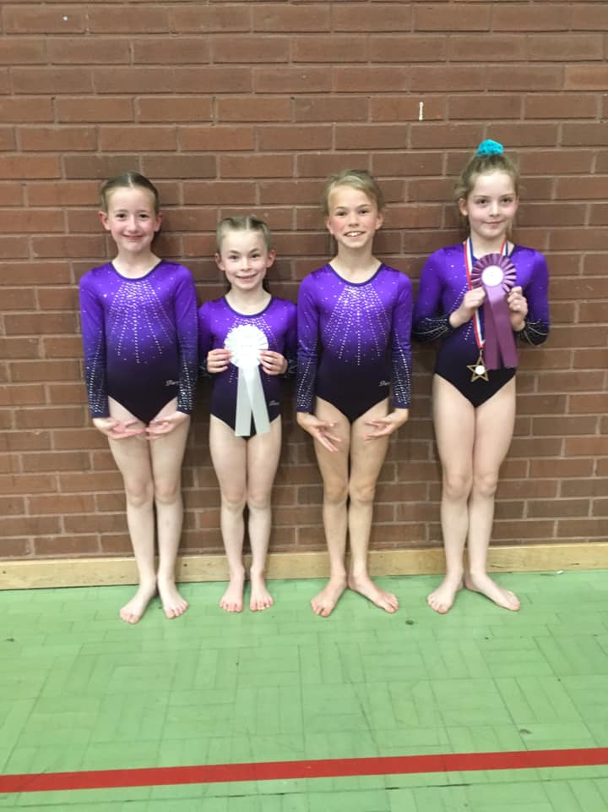
 | 8-9 Years old Intermediate
109 | Lexie Homer | Wyre Forest | 9.900 | 5 | 8.600 | 3 | 11.850 | 1 | 12.200 | 3 | 33.950 | 1
103 | Fiona Mayson | City Of Worcester | 10.100 | 2 | 7.250 | 6 | 11.200 | 3 | 12.450 | 2 | 33.750 | 2
108 | Amelia Clarke | Uttoxeter | 10.000 | 4 | 7.650 | 4 | 10.850 | 4 | 12.850 | 1 | 33.700 | 3
106 | Keira Knowles | Rebound | 9.400 | 9 | 8.650 | 1 | 11.550 | 2 | 11.400 | 9 | 32.350 | 4
113 | Fleur Higgs | Wyre Forest | 9.730 | 6 | 6.600 | 10 | 10.050 | 5 | 12.100 | 4 | 31.880 | 5
112 | Daisy Palmer | Wyre Forest | 10.230 | 1 | 7.250 | 6 | 9.350 | 9 | 12.000 | 7 | 31.580 | 6
107 | Emily Conway | Rebound | 10.070 | 3 | 8.650 | 1 | 9.350 | 9 | 12.050 | 5 | 31.470 | 7
104 | Cara Teece | City Of Worcester | 9.500 | 7 | 7.200 | 8 | 9.950 | 6 | 11.800 | 8 | 31.250 | 8
111 | Mary Timmins | Wyre Forest | 9.500 | 7 | 7.400 | 5 | 9.700 | 8 | 12.050 | 5 | 31.250 | 8
110 | Olive Thomas | Wyre Forest | 9.370 | 10 | 6.850 | 9 | 9.750 | 7 | 10.950 | 10 | 30.070 | 10

 | 10-12 Years old Intermediate

5 | Phoebe James | Hereford Sparks | 10.800 | 19 | 10.350 | 18 | 11.350 | 2 | 12.350 | 1 | 34.500 | 1
7 | Elsie Dodgson | Hereford Sparks | 10.950 | 3 | 10.150 | 24 | 11.550 | 1 | 11.950 | 3 | 34.450 | 2
76 | Milana Parachomikaite | Hereford Sparks | 11.000 | 1 | 11.650 | 1 | 10.550 | 14 | 11.600 | 16 | 34.250 | 3
12 | Isabel Boughey | Idsall | 10.800 | 19 | 11.350 | 3 | 10.850 | 6 | 11.600 | 16 | 33.800 | 4
25 | Isla Hardisty | Uttoxeter | 10.800 | 19 | 11.400 | 2 | 11.000 | 3 | 11.400 | 25 | 33.800 | 4
81 | Angel Davall | Uttoxeter | 10.850 | 11 | 10.900 | 10 | 10.900 | 4 | 11.900 | 5 | 33.700 | 6
154 | Lily Goodfellow | Uttoxeter | 10.950 | 3 | 9.450 | 37 | 10.750 | 7 | 11.950 | 3 | 33.650 | 7
66 | Alice Price | City Of Worcester | 10.300 | 40 | 11.050 | 4 | 10.600 | 11 | 11.900 | 5 | 33.550 | 8
85 | Olivia Stamp | Uttoxeter | 10.750 | 24 | 10.750 | 14 | 10.900 | 4 | 11.850 | 7 | 33.500 | 9
83 | Olivia Ede | Uttoxeter | 10.850 | 11 | 10.950 | 8 | 10.600 | 11 | 11.650 | 14 | 33.450 | 10
10 | Violet Matthews | Idsall | 10.950 | 3 | 11.000 | 6 | 8.900 | 30 | 11.350 | 26 | 33.300 | 11
84 | Ella Roberts | Uttoxeter | 10.550 | 33 | 11.000 | 6 | 10.500 | 17 | 11.750 | 10 | 33.300 | 11
82 | Lily Kemp | Uttoxeter | 10.750 | 24 | 10.700 | 16 | 9.250 | 26 | 11.800 | 9 | 33.250 | 13
23 | Alicia Needham-Gray | Wyre Forest | 10.950 | 3 | 11.050 | 4 | 10.550 | 14 | 11.050 | 38 | 33.050 | 14
2 | Codie Barclay | Chelmsley Wood | 10.350 | 38 | 10.750 | 14 | 10.550 | 14 | 11.500 | 21 | 32.800 | 15
28 | Evie Peers | Rebound | 10.850 | 11 | 9.900 | 29 | 9.600 | 25 | 12.050 | 2 | 32.800 | 15
8 | Olivia Hobbs | Idsall | 10.950 | 3 | 10.300 | 21 | 9.800 | 24 | 11.550 | 19 | 32.800 | 15
26 | Robyn Umney | Uttoxeter | 10.250 | 41 | 10.900 | 10 | 9.150 | 28 | 11.650 | 14 | 32.800 | 15
15 | Imogen Currie | Idsall | 10.950 | 3 | 9.450 | 37 | 10.650 | 10 | 11.150 | 33 | 32.750 | 19
11 | Hannah Belcher | Idsall | 11.000 | 1 | 10.450 | 17 | 7.100 | 45 | 11.300 | 28 | 32.750 | 20
75 | Daisy Link | Rugby | 10.750 | 24 | 10.100 | 26 | 7.950 | 42 | 11.850 | 7 | 32.700 | 21
22 | Martha Adler | Wyre Forest | 10.600 | 32 | 8.600 | 40 | 10.700 | 8 | 11.350 | 26 | 32.650 | 22
74 | Lily Ross | Worcestershire | 10.950 | 3 | 10.350 | 18 | 10.450 | 18 | 11.150 | 33 | 32.550 | 23
65 | Sophie Seldon | City Of Worcester | 10.850 | 11 | 9.900 | 29 | 8.900 | 30 | 11.750 | 10 | 32.500 | 24
21 | Phoebe-Rose Harvey | Wyre Forest | 10.700 | 30 | 10.150 | 24 | 8.350 | 37 | 11.600 | 16 | 32.450 | 25
29 | Millie Conway | Rebound | 10.550 | 33 | 10.800 | 13 | 8.200 | 40 | 11.050 | 38 | 32.400 | 26
68 | Chloe Marshall | City Of Worcester | 10.800 | 19 | 10.000 | 28 | 8.650 | 34 | 11.550 | 19 | 32.350 | 27
63 | Sophia Bray | City Of Worcester | 10.400 | 37 | 9.900 | 29 | 10.600 | 11 | 11.300 | 28 | 32.300 | 28
27 | Harley Rees | Rebound | 10.900 | 10 | 10.300 | 21 | 9.200 | 27 | 11.100 | 36 | 32.300 | 28
64 | Rebecca Hughes | City Of Worcester | 10.750 | 24 | 10.100 | 26 | 8.450 | 36 | 11.450 | 23 | 32.300 | 28
70 | Shanice Christian | City Of Worcester | 10.850 | 11 | 10.350 | 18 | 10.300 | 21 | 11.100 | 36 | 32.300 | 28
1 | Lauren Marrett | Chelmsley Wood | 10.150 | 43 | 10.950 | 8 | 10.150 | 23 | 11.150 | 33 | 32.250 | 32
77 | Tara Mair | Hereford Sparks | 10.750 | 24 | 10.200 | 23 | 10.250 | 22 | 11.250 | 30 | 32.250 | 32
13 | Daisy Mae Whitehead | Idsall | 10.700 | 30 | 9.750 | 32 | 8.300 | 38 | 11.700 | 13 | 32.150 | 34
14 | Gwenneth Williams | Idsall | 10.850 | 11 | 9.750 | 32 | 8.700 | 33 | 11.500 | 21 | 32.100 | 35
69 | Laila Hooper | City Of Worcester | 10.350 | 38 | 9.550 | 35 | 10.450 | 18 | 11.250 | 30 | 32.050 | 36
72 | Lily Caesar | Park Wrekin | 10.200 | 42 | 8.000 | 44 | 10.700 | 8 | 11.050 | 38 | 31.950 | 37
80 | Eleanor Kent | Uttoxeter | 10.750 | 24 | 10.850 | 12 | 10.350 | 20 | 9.800 | 45 | 31.950 | 37
9 | Chloe Lester | Idsall | 10.850 | 11 | 8.100 | 43 | 8.900 | 30 | 11.750 | 10 | 31.500 | 39
19 | Lucy Martin | Wyre Forest | 10.800 | 19 | 9.100 | 39 | 8.600 | 35 | 11.450 | 23 | 31.350 | 40
73 | Isabel Chadwick | Park Wrekin | 10.850 | 11 | 3.000 | 47 | 9.100 | 29 | 10.350 | 44 | 30.300 | 41
18 | Ruby Roe | Wyre Forest | 10.100 | 46 | 8.300 | 41 | 8.250 | 39 | 11.250 | 30 | 29.650 | 42
17 | Ellie Phillips | Wyre Forest | 10.450 | 35 | 9.500 | 36 | 6.900 | 46 | 9.600 | 46 | 29.550 | 43
20 | Lola Tromans | Wyre Forest | 10.150 | 43 | 8.150 | 42 | 6.900 | 46 | 11.000 | 41 | 29.300 | 44
122 | Lucy O'Hare | Wyre Forest | 10.150 | 43 | 6.100 | 46 | 7.850 | 43 | 10.550 | 43 | 28.550 | 45
71 | Holly Clarke | Park Wrekin | 10.450 | 35 | 9.600 | 34 | 8.200 | 40 | 6.050 | 47 | 28.250 | 46
6 | Sophia Door | Hereford Sparks | 8.700 | 47 | 7.950 | 45 | 7.850 | 43 | 11.000 | 41 | 27.650 | 47

 | 13+ Years old Intermediate

159 | Lucy Keeping | Worcestershire | 11.200 | 1 | 10.750 | 2 | 11.950 | 4 | 12.200 | 9 | 35.350 | 1
145 | Isabel Blake | Uttoxeter | 11.100 | 2 | 8.600 | 21 | 11.800 | 5 | 12.250 | 8 | 35.150 | 2
157 | Isabella Parsons | Worcestershire | 10.700 | 6 | 10.900 | 1 | 12.250 | 1 | 11.750 | 24 | 34.900 | 3
132 | Holly Timms | Rugby | 10.470 | 14 | 9.850 | 5 | 11.800 | 5 | 12.300 | 5 | 34.570 | 4
149 | Natasha Goodwin | Uttoxeter | 10.900 | 3 | 8.850 | 14 | 11.650 | 13 | 11.900 | 15 | 34.450 | 5
156 | Ellie Simmons | Worcestershire | 10.670 | 8 | 9.350 | 8 | 11.700 | 11 | 12.000 | 12 | 34.370 | 6
130 | Rebecca Littler | Rugby | 10.600 | 9 | 8.700 | 18 | 11.750 | 10 | 12.000 | 12 | 34.350 | 7
128 | Aimee Mason | City of Worcester | 9.870 | 32 | 7.550 | 29 | 12.100 | 2 | 12.350 | 4 | 34.320 | 8
144 | Robyn Lloyd-Leach | Rebound | 10.400 | 16 | 8.950 | 11 | 11.050 | 23 | 12.500 | 3 | 33.950 | 9
160 | Cassandra Smith | Worcestershire | 10.700 | 6 | 8.650 | 20 | 11.350 | 17 | 11.900 | 15 | 33.950 | 9
151 | Naomi Parker | Uttoxeter | 10.600 | 9 | 9.900 | 4 | 11.400 | 16 | 11.800 | 19 | 33.800 | 11
142 | Abigail Steele | Rebound | 10.830 | 4 | 9.850 | 5 | 10.300 | 28 | 12.600 | 2 | 33.730 | 12
131 | Isabel Maxey | Rugby | 10.300 | 21 | 8.100 | 25 | 11.800 | 5 | 11.600 | 30 | 33.700 | 13
120 | Staci Gilbert | Birches Valley | 10.230 | 24 | 8.750 | 15 | 11.100 | 22 | 12.300 | 5 | 33.630 | 14
123 | Daisy Carter | Birches Valley | 10.070 | 27 | 6.550 | 36 | 11.700 | 11 | 11.800 | 19 | 33.570 | 15
126 | Jessica Bridge | City of Worcester | 10.170 | 26 | 9.450 | 7 | 11.500 | 14 | 11.900 | 15 | 33.570 | 15
115 | Eswen Stevenson | Back 2 Back | 10.200 | 25 | 5.350 | 40 | 11.800 | 5 | 11.500 | 33 | 33.500 | 17
141 | Annie Powell | Hereford Sparks | 10.570 | 11 | 7.250 | 31 | 12.000 | 3 | 10.850 | 42 | 33.420 | 18
153 | Isabelle Sprenglewski | Uttoxeter | 10.370 | 19 | 8.700 | 18 | 11.150 | 20 | 11.800 | 19 | 33.320 | 19
143 | Paige Eyre | Rebound | 10.730 | 5 | 6.900 | 33 | 9.500 | 38 | 12.750 | 1 | 32.980 | 20
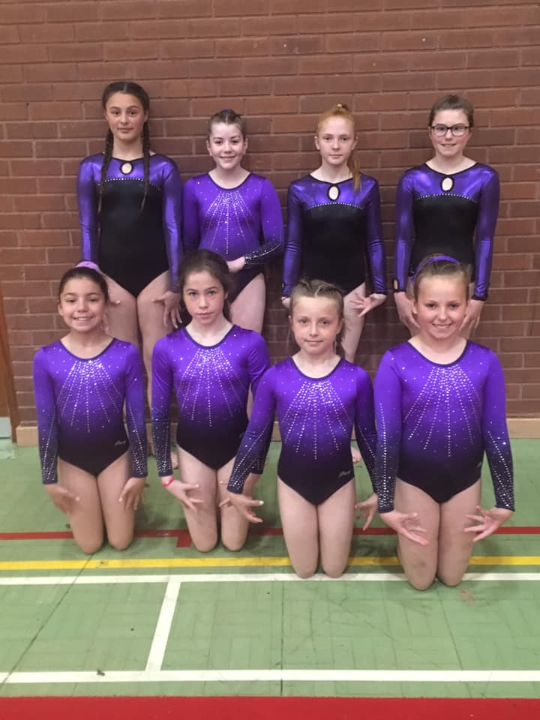
117 | Leah Mcleod | Birches Valley | 9.600 | 41 | 9.300 | 9 | 11.800 | 5 | 11.550 | 31 | 32.950 | 21
137 | Ruby Meredith | Hereford Sparks | 10.300 | 21 | 6.400 | 37 | 11.250 | 19 | 11.200 | 38 | 32.750 | 22
152 | Bethan Dodd | Uttoxeter | 10.400 | 16 | 10.000 | 3 | 9.900 | 33 | 12.300 | 5 | 32.700 | 23
119 | Ava Hopley | Birches Valley | 9.700 | 37 | 8.750 | 15 | 10.750 | 25 | 12.100 | 10 | 32.550 | 24
162 | Molly Flay | Idsall | 10.500 | 13 | 8.500 | 23 | 10.200 | 29 | 11.800 | 19 | 32.500 | 25
133 | Megan Fogo | Rugby | 9.730 | 36 | 6.950 | 32 | 10.700 | 26 | 12.050 | 11 | 32.480 | 26
138 | Grace Squire | Hereford Sparks | 9.700 | 37 | 8.900 | 12 | 11.450 | 15 | 11.250 | 36 | 32.400 | 27
146 | Amelia Roberts | Uttoxeter | 10.400 | 16 | 8.900 | 12 | 9.900 | 33 | 11.950 | 14 | 32.250 | 28
155 | Florence Elsworth | Worcestershire | 9.870 | 32 | 9.100 | 10 | 10.500 | 27 | 11.800 | 19 | 32.170 | 29
127 | Emma Pound | City of Worcester | 10.530 | 12 | 8.500 | 23 | 9.800 | 35 | 11.750 | 24 | 32.080 | 30
158 | Olivia Waddell | Worcestershire | 10.470 | 14 | 8.750 | 15 | 9.700 | 36 | 11.650 | 28 | 31.820 | 31
139 | Lara Collins | Hereford Sparks | 10.000 | 28 | 4.950 | 41 | 11.000 | 24 | 10.800 | 43 | 31.800 | 32
129 | Izzy Rollit | City of Worcester | 9.570 | 42 | 8.000 | 26 | 11.150 | 20 | 10.900 | 41 | 31.620 | 33
135 | Lucy Williams | Hereford Sparks | 10.300 | 21 | 8.550 | 22 | 9.600 | 37 | 11.650 | 28 | 31.550 | 34
161 | Annabel James | Wyre Forest | 9.900 | 31 | 6.400 | 37 | 10.000 | 31 | 11.200 | 38 | 31.100 | 35
134 | Isabella Fletcher | Wolverhampton | 9.300 | 43 | 0.000 | 42 | 9.950 | 32 | 11.550 | 31 | 30.800 | 36
140 | Zoe Rowe | Hereford Sparks | 10.330 | 20 | 5.700 | 39 | 9.300 | 40 | 11.100 | 40 | 30.730 | 37
124 | Anna Finlay | Hereford Sparks | 9.700 | 37 | 7.600 | 28 | 9.450 | 39 | 11.500 | 33 | 30.650 | 38
122 | Emily Payne | Birches Valley | 9.800 | 34 | 6.600 | 35 | 9.100 | 41 | 11.500 | 33 | 30.400 | 39
163 | Eloise Martin | Idsall | 10.000 | 28 | 0.000 | 42 | 9.050 | 42 | 11.250 | 36 | 30.300 | 40
116 | Sian Roberts | Birches Valley | 9.800 | 34 | 0.000 | 42 | 8.400 | 43 | 11.900 | 15 | 30.100 | 41
118 | Amaya Taggar | Birches Valley | 9.670 | 40 | 7.850 | 27 | 11.350 | 17 | 9.000 | 44 | 30.020 | 42
125 | Gracie Cook | Chelmsley Wood | 10.000 | 28 | 6.800 | 34 | 8.100 | 44 | 11.700 | 26 | 29.800 | 43
121 | Mia Davis | Birches Valley | 7.930 | 44 | 7.450 | 30 | 10.100 | 30 | 11.700 | 26 | 29.730 | 44

Advanced
WEST MIDLANDS NOVICE COMPETITION
18th and 19th May 2019

 | NAME | CLUB | VAULT | POSn | BARS | POSn | BEAM | POSn | FLOOR | POSn | TOTAL | POSn

 | 8 to 9 Years old Advanced

91 | Vivienne Smith-Monteiro | Rebound | 10.950 | 1 | 10.900 | 2 | 10.250 | 1 | 12.100 | 1 | 33.950 | 1
89 | Lois Bugh | Rebound | 10.750 | 3 | 11.050 | 1 | 10.200 | 2 | 11.650 | 3 | 33.450 | 2
90 | Annabel O'Keefe | Rebound | 10.950 | 1 | 10.500 | 3 | 8.550 | 3 | 11.800 | 2 | 33.250 | 3
88 | Evie Hammond | Rebound | 10.450 | 4 | 9.850 | 4 | 8.450 | 4 | 11.100 | 4 | 31.400 | 4

 | 10 to 12 Years old Advanced
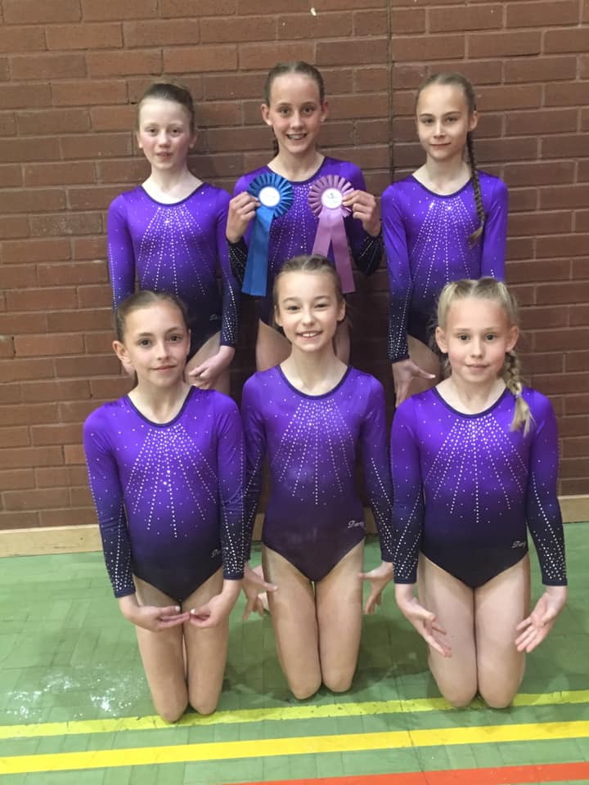
114 | Rosie Jones | Rebound | 10.750 | 4 | 10.900 | 10 | 13.350 | 1 | 12.100 | 3 | 36.350 | 1
61 | Millie Williams | Wolverhampton | 10.100 | 17 | 12.100 | 1 | 11.800 | 4 | 12.400 | 1 | 36.300 | 2
116 | Sophie Ragab | Rebound | 10.300 | 13 | 11.050 | 8 | 12.300 | 2 | 12.050 | 7 | 35.400 | 3
119 | Eleanor Reilly | Rebound | 10.250 | 15 | 11.100 | 7 | 11.900 | 3 | 11.900 | 8 | 34.900 | 4
108 | Rosa Parsons | Worcestershire | 10.450 | 9 | 11.300 | 2 | 11.300 | 7 | 12.200 | 2 | 34.800 | 5
109 | Emily-Mae Smith | Wyre Forest | 11.100 | 1 | 11.300 | 2 | 10.850 | 10 | 12.100 | 3 | 34.500 | 6
118 | Lily Conduit | Rebound | 10.400 | 10 | 11.200 | 5 | 11.400 | 6 | 11.700 | 13 | 34.300 | 7
117 | Emily May Coulstock | Rebound | 10.850 | 2 | 11.000 | 9 | 11.700 | 5 | 11.250 | 18 | 33.950 | 8
107 | Cerys Hipkiss | Tamworth | 10.600 | 7 | 11.200 | 5 | 8.250 | 19 | 11.900 | 8 | 33.700 | 9
60 | Emily Rogers | Wolverhampton | 10.550 | 8 | 10.900 | 10 | 10.200 | 12 | 12.100 | 3 | 33.550 | 10
110 | Ella-Rose Beasley | Wyre Forest | 10.300 | 13 | 9.200 | 19 | 11.100 | 9 | 12.100 | 3 | 33.500 | 11
111 | Emily Rushton | Wyre Forest | 10.050 | 18 | 11.300 | 2 | 8.600 | 16 | 11.800 | 11 | 33.150 | 12
120 | Kayla Woolmore | Rebound | 10.800 | 3 | 10.850 | 12 | 11.300 | 7 | 9.450 | 21 | 32.950 | 13
59 | Rihana Ralph | Wolverhampton | 10.350 | 11 | 9.300 | 18 | 10.650 | 11 | 11.900 | 8 | 32.900 | 14
105 | Beau Lloyd | Idsall | 10.350 | 11 | 10.650 | 14 | 9.800 | 14 | 11.750 | 12 | 32.750 | 15
115 | Lucy Denton | Rebound | 10.650 | 6 | 10.150 | 15 | 10.000 | 13 | 11.500 | 15 | 32.300 | 16
113 | Maddison Fuell | Wyre Forest | 10.250 | 15 | 10.050 | 17 | 9.600 | 15 | 11.400 | 16 | 31.700 | 17
106 | Rebecca Whitehead | Idsall | 10.700 | 5 | 10.150 | 15 | 8.600 | 16 | 10.500 | 19 | 31.350 | 18
16 | Emilija Skrbic | Wyre Forest | 10.000 | 19 | 10.700 | 13 | 8.400 | 18 | 10.000 | 20 | 30.700 | 19
62 | Scarlett Harris | Wolverhampton | 9.950 | 20 | 0.000 | 21 | 7.700 | 20 | 11.550 | 14 | 29.200 | 20
112 | Elliot-May Smith | Wyre Forest | 9.050 | 21 | 8.500 | 20 | 7.400 | 21 | 11.400 | 16 | 28.950 | 21

 | 13+ Years old Advanced

73 | Alicia Allen | Wolverhampton | 11.300 | 2 | 11.550 | 1 | 14.100 | 1 | 12.800 | 3 | 38.450 | 1
53 | Aimee Gaff | Idsall | 11.430 | 1 | 8.850 | 25 | 12.200 | 7 | 12.800 | 3 | 36.430 | 2
71 | Victoria Corbett | Wolverhampton | 11.000 | 5 | 10.500 | 8 | 12.350 | 3 | 12.600 | 6 | 35.950 | 3
74 | Sydnee Mullett | Wolverhampton | 11.100 | 3 | 10.850 | 3 | 12.250 | 6 | 12.350 | 12 | 35.700 | 4
61 | Mia Conduit | Rebound | 10.730 | 10 | 9.850 | 15 | 12.350 | 3 | 12.400 | 9 | 35.480 | 5
58 | Holly Percival | Rebound | 10.230 | 23 | 9.900 | 13 | 12.200 | 7 | 12.900 | 2 | 35.330 | 6
37 | Holly Nicholls | Birches Valley | 11.000 | 5 | 10.550 | 7 | 12.100 | 10 | 12.200 | 15 | 35.300 | 7
59 | Holly Woolmore | Rebound | 10.670 | 13 | 11.150 | 2 | 10.550 | 26 | 13.450 | 1 | 35.270 | 8
41 | Jodie Birks | Uttoxeter | 10.600 | 14 | 10.750 | 4 | 12.050 | 11 | 12.400 | 9 | 35.200 | 9
67 | Esme Baines | Wyre Forest | 10.000 | 28 | 10.650 | 6 | 12.050 | 11 | 12.300 | 13 | 35.000 | 10
57 | Georgia Townsend | Rebound | 10.700 | 11 | 8.950 | 23 | 12.000 | 13 | 12.200 | 15 | 34.900 | 11
43 | Holly Irving | Uttoxeter | 11.100 | 3 | 9.950 | 12 | 11.700 | 17 | 11.800 | 21 | 34.600 | 12
68 | Lily McHale | Wyre Forest | 10.300 | 19 | 8.400 | 29 | 12.300 | 5 | 11.900 | 19 | 34.500 | 13
63 | Annabelle Forbes | Worcestershire | 10.600 | 14 | 9.800 | 16 | 11.350 | 20 | 12.450 | 7 | 34.400 | 14
49 | Kayleigh Dodd | City of Worcester | 10.270 | 22 | 10.250 | 10 | 12.550 | 2 | 11.550 | 29 | 34.370 | 15
64 | Megan Lown | Wyre Forest | 10.700 | 11 | 9.900 | 13 | 11.250 | 22 | 12.250 | 14 | 34.200 | 16
39 | Macey Cook | Birches Valley | 10.300 | 19 | 7.850 | 35 | 12.000 | 13 | 11.900 | 19 | 34.200 | 16
40 | Fern Beaumont | Uttoxeter | 10.900 | 7 | 10.700 | 5 | 10.650 | 25 | 12.400 | 9 | 34.000 | 18
60 | Katie Minal | Rebound | 10.400 | 17 | 9.750 | 17 | 10.850 | 24 | 12.650 | 5 | 33.900 | 19
52 | Millie Dobson | City of Worcester | 10.000 | 28 | 9.150 | 22 | 12.150 | 9 | 11.700 | 23 | 33.850 | 20
50 | Maddie Rollit | City of Worcester | 10.600 | 14 | 9.300 | 21 | 11.000 | 23 | 11.700 | 23 | 33.300 | 21
42 | Megan Brown | Uttoxeter | 10.800 | 9 | 9.500 | 19 | 10.450 | 27 | 11.950 | 18 | 33.200 | 22
75 | Ella Smith | Wolverhampton | 10.100 | 25 | 10.500 | 8 | 10.450 | 27 | 12.050 | 17 | 33.000 | 23
62 | Lydia Gough | Worcestershire | 10.100 | 25 | 10.200 | 11 | 10.250 | 29 | 12.450 | 7 | 32.900 | 24
38 | Grace Medley | Birches Valley | 9.200 | 35 | 9.350 | 20 | 11.850 | 16 | 11.700 | 23 | 32.900 | 24
70 | Hannah Lake | Wolverhampton | 9.970 | 30 | 9.600 | 18 | 11.650 | 18 | 11.100 | 34 | 32.720 | 26
72 | Summer Gadd | Wolverhampton | 9.600 | 33 | 8.050 | 33 | 11.900 | 15 | 11.200 | 31 | 32.700 | 27
66 | Paige Pimley | Wyre Forest | 9.800 | 31 | 8.950 | 23 | 11.650 | 18 | 11.150 | 32 | 32.600 | 28
56 | Sophie Kinnersley | Idsall | 10.900 | 7 | 8.200 | 31 | 9.500 | 32 | 11.700 | 23 | 32.100 | 29
46 | Stephanie Edwards | Park Wrekin | 10.300 | 19 | 8.700 | 26 | 10.000 | 30 | 11.700 | 23 | 32.000 | 30
47 | Keira James | Park Wrekin | 10.170 | 24 | 8.450 | 28 | 9.600 | 31 | 11.100 | 34 | 30.870 | 31
51 | Elise Frostman-Clarke | City of Worcester | 10.400 | 17 | 8.400 | 29 | 8.850 | 35 | 11.150 | 32 | 30.400 | 32
55 | Elif Cetin | Idsall | 10.100 | 25 | 8.200 | 31 | 8.500 | 37 | 11.800 | 21 | 30.400 | 32
48 | Esther Massengo-Fouani | Park Wrekin | 9.700 | 32 | 8.550 | 27 | 11.350 | 20 | 9.200 | 37 | 30.250 | 34
76 | Sophie Hayne | Wolverhampton | 8.800 | 36 | 0.000 | 37 | 9.400 | 33 | 11.450 | 30 | 29.650 | 35
65 | Amelie Taylor | Wyre Forest | 8.600 | 37 | 8.050 | 33 | 9.150 | 34 | 11.700 | 23 | 29.450 | 36
69 | Isabella Abel | Wyre Forest | 9.600 | 33 | 7.250 | 36 | 8.700 | 36 | 11.100 | 34 | 29.400 | 37

